Requirments
Sr# | Account | Issue Section | Issue Type | Issue Details | Examples/Reference Images
1 | Both the Manufacture and Retailer | Catalogue landing page | UI: Clicking is lagging | Multiple clicks required to open for : "Show products" "Sort" "Pagination buttons"
2 | Both the Manufacture and Retailer | Detailed product view page - Gem information | Data Logic Error: Number of stones | In all of the products: The number of stones and the number of diamonds are the same. The system is picking up from number of diamonds and putting the same information in "Gem information- number of the stones". Even in some design where "Gem information- number of stones" exists the system is overwirting it with the number of diamond information. |  | 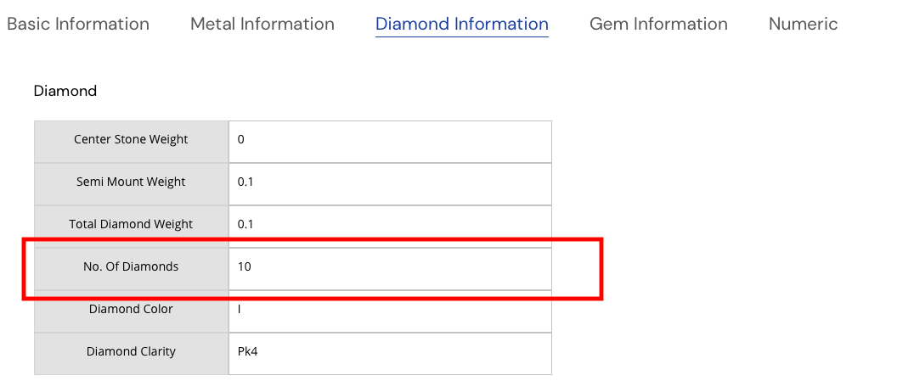
3 | Both the Manufacture and Retailer | Detailed product view page | Screen optimisation: The side bar images | The side bar images are over stretched. Cannot view the side bar images clearly | 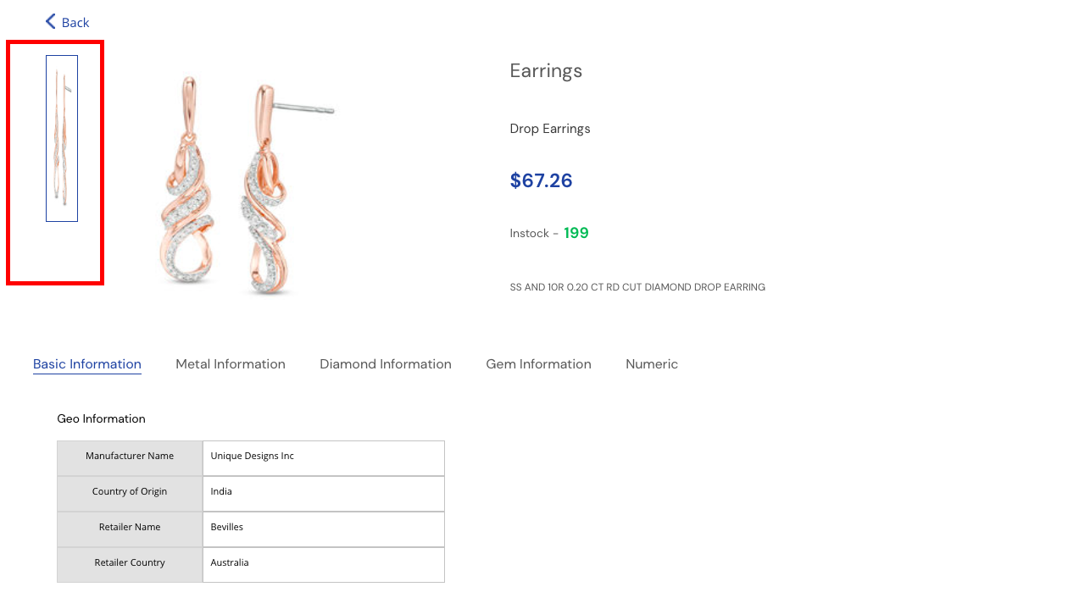
4 | Both the Manufacture and Retailer | Detailed product view page | Functionality: Back button | Once on a detailed product page, the back button should take user back to the same page on the list view or catalogue view- which ever they were on, and have the same settings for sort and show products | 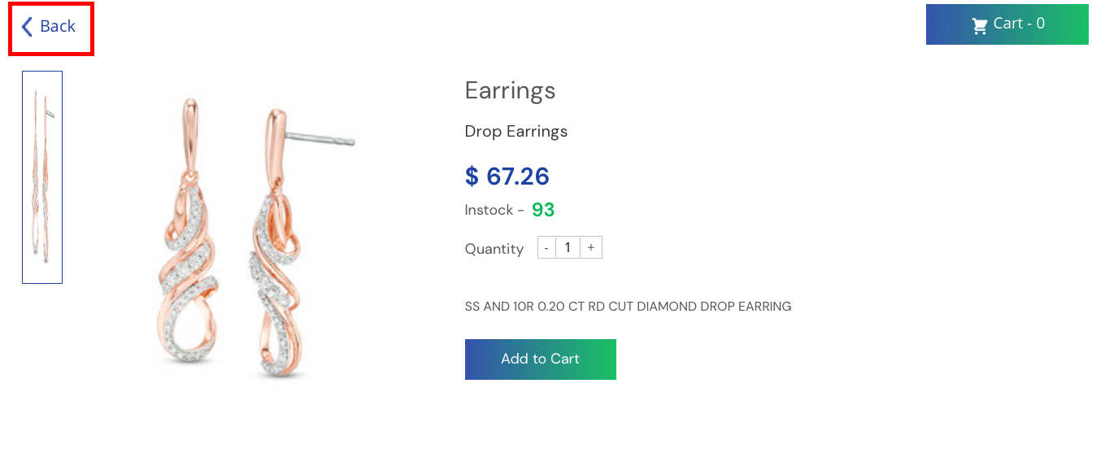
5 | Retailer | List View | Design | Add info button near " Size (US)" which will then popup with a size guide | 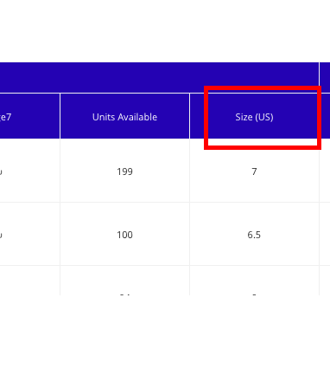
6 | Retailer | List view | Functionality: Clickable images | User should be able to click on the images and be able to vist the detailed product page |  | if its possible
7 | Retailer | Catalogue view page | Screen Optiomisation: Order History button | The order history (text) is not aligned into the box. | 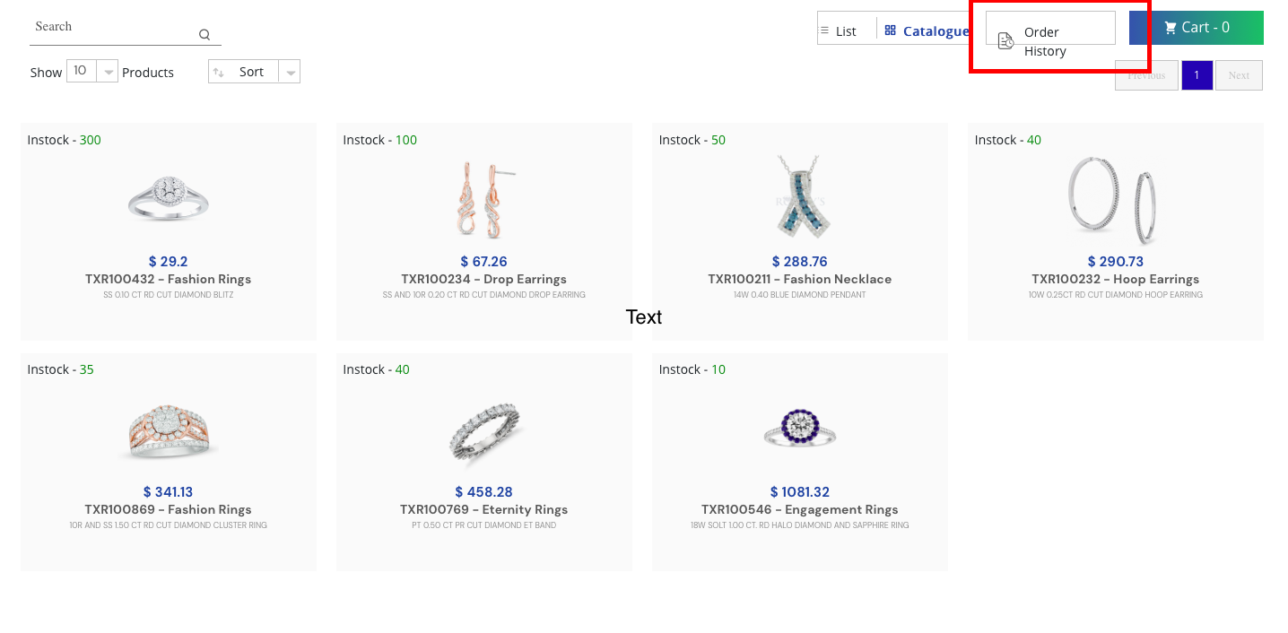
8 | Retailer | Detailed product view page | Design : Item description button | For Hoop earings (TXR100232) The item description is not aligned into the box | 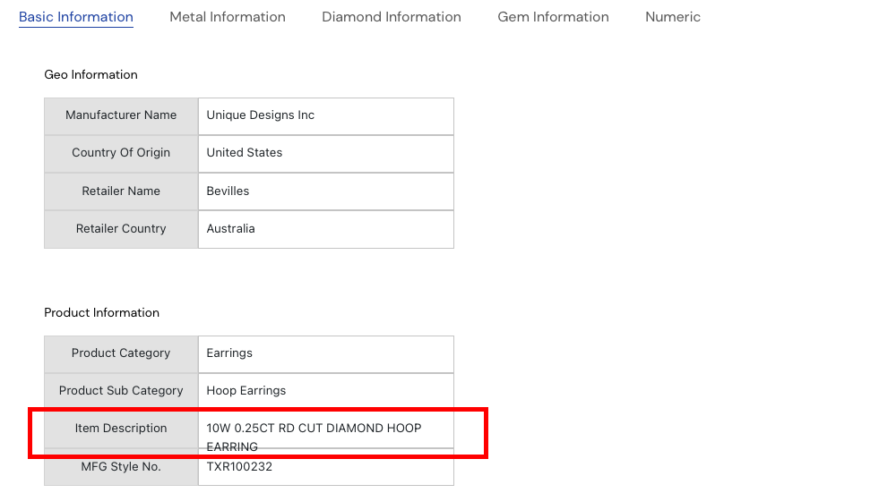
9 | Retailer | Detailed product view page | Design: Item description button | For Drop earings( TXR100234) The item description is not aligned into the box | 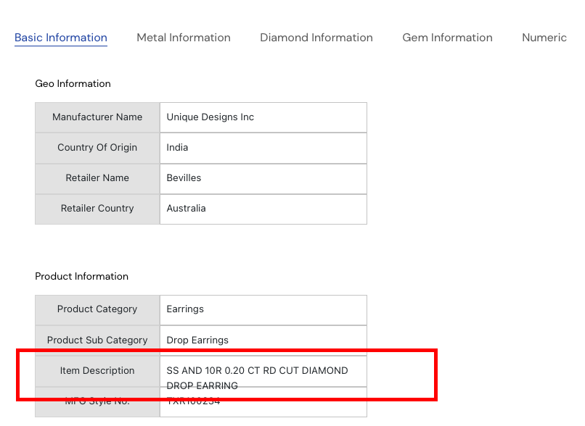
10 | Retailer | Detailed product view page | Design Layout: Item description button | For Fashion rings (TXR100869) The item description is not aligned into the box | 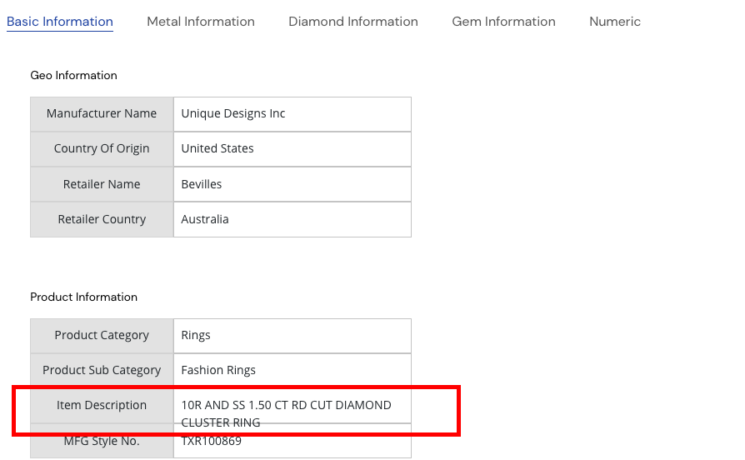
11 | Retailer | Detailed product view page | Design: Item description button | For Engagment rings (TXR100546) The item description is not aligned into the box | 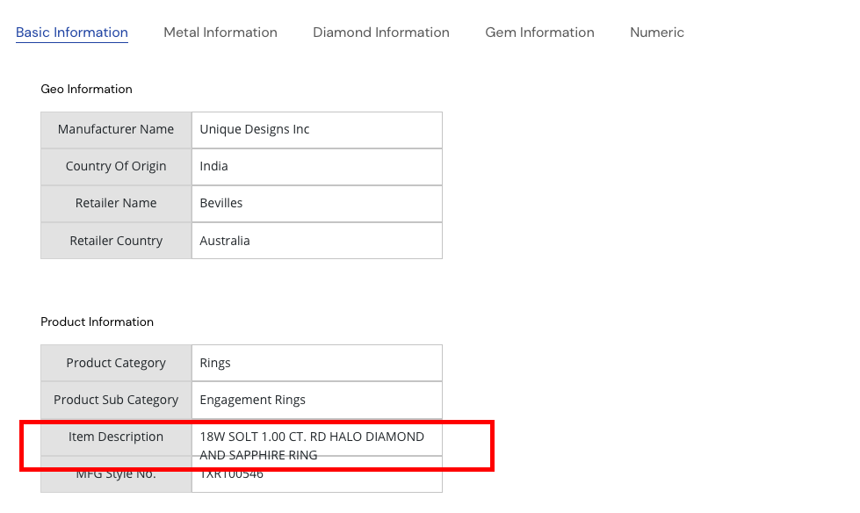
12 | Retailer | Order Confirmed page | Design | ADD Ole logo on top left of the order confirmation page | 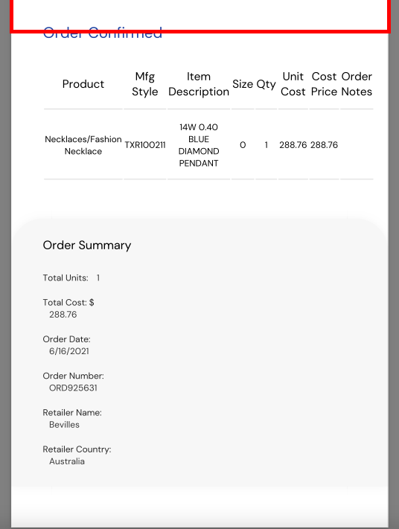
13 | Retailer | Order Confirmed page | Screen Optimisation | Return to Catalogue is not aligned into the box. The entire text is not fully seen
14 | Retailer | Order Confirmed page | Design | If Order has a lot of products, order confirmation should be multiple pages, and order summary at the end of the document- we dont want it all sqaushed into one page, as it does not look good | 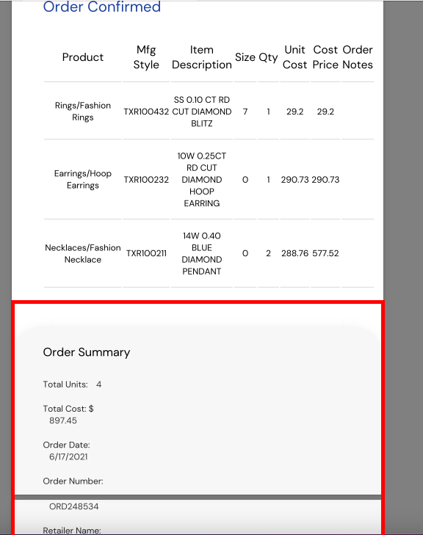
15 | Retailer | Order Confirmed page | Design | Order Confirmed should have a tabular format . The table lines can be a light gray lines | 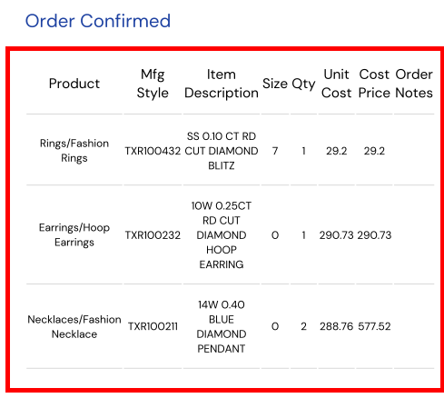

New
Sr# | Account | Issue Section | Issue Type | Issue Details | Examples/Reference Images
1 | Manufacture | Catalogue View | Detailed Product View page- Back button does not take me to the previous landing page | If user is on page 2 and clicks on detailed product view page and goes clicks on back, user is not on page 2, the back button directs the user to page 1 | 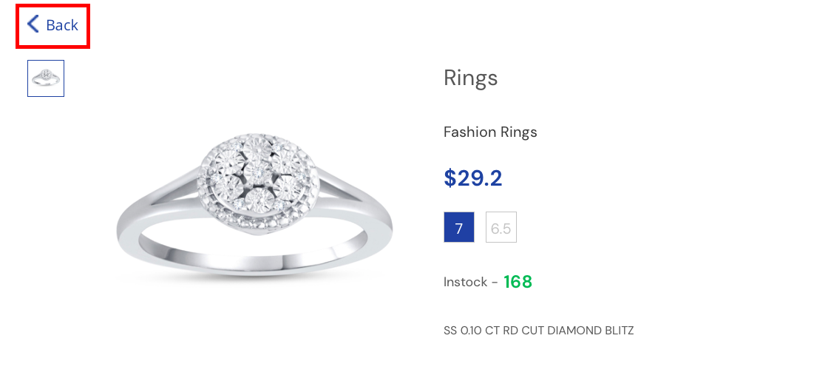
1 | Manufacture | List View | Detailed Product View page- Back button does not take me to the previous landing page | If user is on page 2 and clicks on detailed product view page and goes clicks on back, user is not on page 2, the back button directs the user to page 1
2 | Manufacture | Catalogue view | Show products | After user clicks the back button from the detailed product view page, the show products should highlight the number. The box is not highlighted in "show products" but highlighted in "Sort" button | 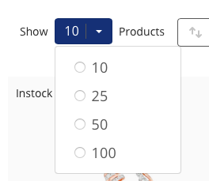 | 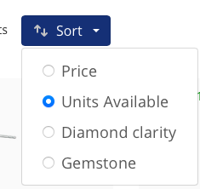
3 | Manufacture | Upload History | Dowload original | Not able to download the file. Another screen pops up | 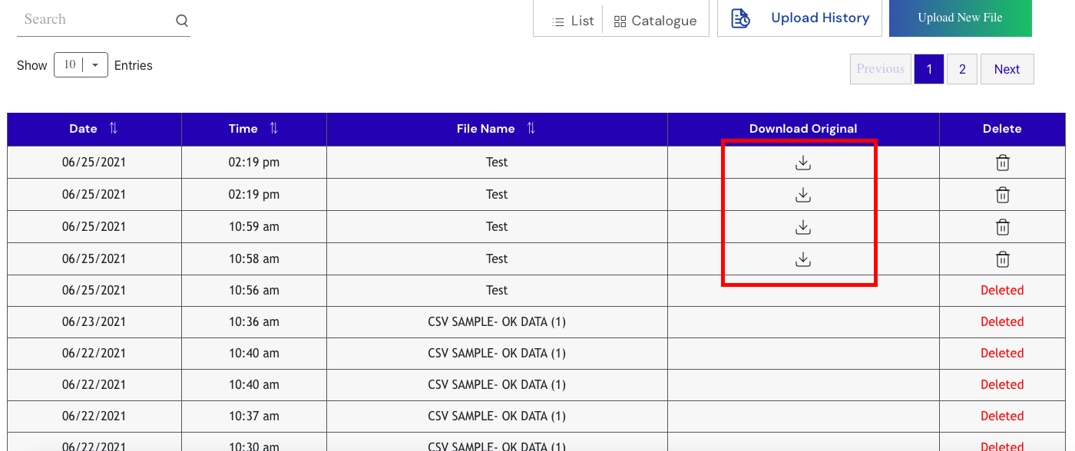 | 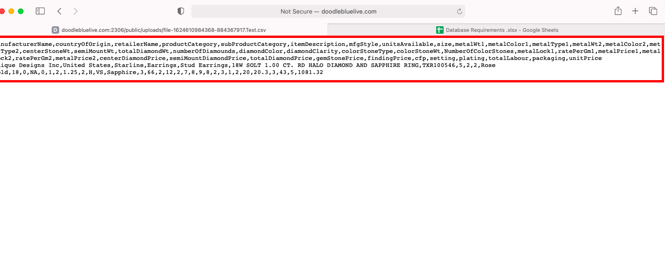
4 | Manufacture | Upload File | Browse file button | The browse file button is not clickable | 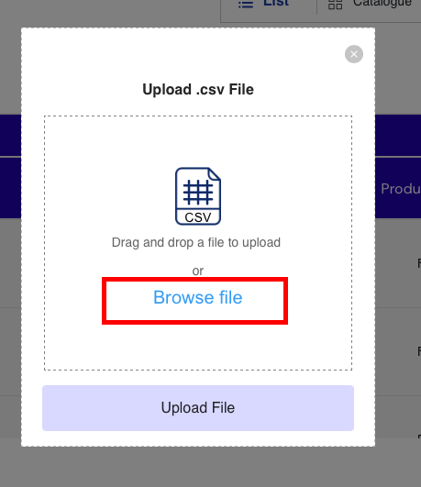
5 | Retailer | Order History | Download order confirmation | For Eternity Rings (TXR100769) In order notes row- 'Notes order is dispalyed' not required. If no order notes; then the user can view the serial number of the coloumns (in letters not numerical, like one, two, three) | 